Sheet1
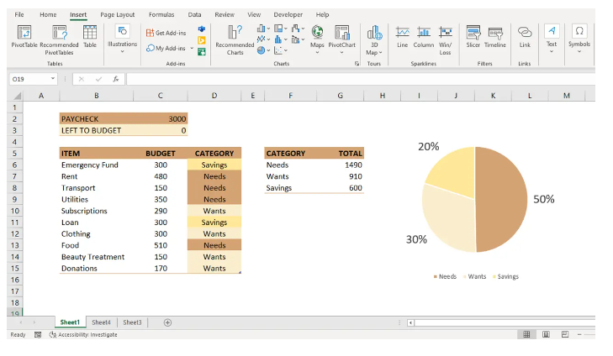

ITEM | EXPECTED DEPENDENCIES
Equipments | 400,000៛
Gifts | 200,000៛
Food | 400,000៛
Transport | 50,000៛
Workshops | 600,000៛
Total | 1,650,000៛

Sheet2
